Instructions
Traffic Light Simulator - How Cycle Time Distributions Form
What is this: This spreadsheet is a teach aid to understanding how different cycle time distributions form in knowledge work production (like software development).
How does it work? Simulating traffic flowing on a roadway being possibly impeded by up to five sets of traffic lights, the spreadsheet plots the number of cars for each cycle time. This is then used as an analogy to how software teams develop and deliver code. There is a fixed amount of necessary time for each item, but that can be extended by delays (waiting for a test environment, or the answer to a question). How these delays combine causes different cycle time distributions for the system.
Why is this important? By observing a systems natural cycle-time, it can be ascertained if the system is dominated by work effort, or by delays. Different coaching techniques will work for some systems and not others. These will be discussed over time.
For more probabilistic forecasting resources: FocusedObjective.com Email: troy.magennis@focusedobjective.com
Work licensed under a Creative Commons Attribution-NonCommercial-ShareAlike 4.0 International License.
 |  | 10
 |  | 2

 | 20%
 | 20%
 | 20%
 | 20%
 | 20%

Cycle Time Simulator
This simulation shows traffic travel times with added delays due to five sets of traffic light signals. This sequential process is identical to software development.
Set the probability of how many vehicles will be shown RED at each of five light signals (delays). The goal is to understand how the probability of delays impact the travel time (cycle time) distribution. The same process plays out when delivering software seen in cycle-time. Lights are delays, work are cars, and understanding this process helps understand what improvement actions are better targets than others.
It is assumed that every car travels EXACTLY the same speed, accelerates and deaccelerates instantly (amazing engineering feat), and every vehicle has their own lane so as not impeded by other cars, and are at the traffic signal the moment they turn red.
 |  |  |  |  |  |  |  |  |  |  |  |  |  |  |  |  |  |  |  |  | 100 | cars
How many cars total travel? |  |  |  | 100 | cars |  |  |  |  |  |  |  |  |  |  |  |  |  |  |  | 10 | minutes base travel time
Haw long does it take to travel with all GREEN lights? |  |  |  | 10 | minutes
How long is the delay for each RED light? |  |  |  | 2 | minutes |  |  |  |  |  |  |  |  |  |  |  |  | 80% | of 100 cars get a Green light = |  |  |  |  | 20% | of 100 cars get a Red light =
What is the chance of getting a RED light at each traffic signal? |  |  |  |  |  |  |  |  |  |  |  |  |  |  |  | Light 1 |  | 80 | cars |  |  |  |  | 20 | cars
 |  | Red % |  |  |  |  |  |  |  |  |  |  |  |  |  |  |  | 0 | minute delay |  |  |  |  | 2 | minute delay
 | Light 1 | 20% | (20 cars out of every 100 will get a RED signal)
 | Light 2 | 20%
 | Light 3 | 20% |  |  |  |  |  |  |  |  |  |  |  |  | 80% | of 80 cars = |  |  | 20% | of 80 = |  |  | 80% | of 20 cars = |  |  | 20% | of 20 =
 | Light 4 | 20% |  |  |  |  |  |  |  |  |  |  |  | Light 2 | 64 | cars |  |  | 16 | cars |  |  | 16 | cars |  |  | 4 | cars
 | Light 5 | 20% |  |  |  |  |  |  |  |  |  |  |  |  | 0 | min delay |  |  | 2 | min delay |  |  | 0 | min delay |  |  | 2 | min delay

 |  |  |  |  |  |  |  |  |  |  |  | 80% | of 64 = | 20% | of 64 = |  | 80% | of 16 = | 20% | of 16 = |  |  | 80% | of 16 = | 20% | of 16 = |  | 80% | of 4 = | 20% | of 4 =
 |  |  |  |  |  |  |  |  |  |  | Light 3 | 51.2 | cars | 12.8 | cars |  | 12.8 | cars | 3.2 | cars |  |  | 12.8 | cars | 3.2 | cars |  | 3.2 | cars | 0.8 | cars
 |  |  |  |  |  |  |  |  |  |  |  | 0 | min delay | 2 | min delay |  | 0 | min delay | 2 | min delay |  |  | 0 | min delay | 2 | min delay |  | 0 | min delay | 2 | min delay

 |  |  |  |  |  |  |  |  |  | 80% | 20% |  | 80% | 20% |  | 80% | 20% |  | 80% | 20% |  |  | 80% | 20% |  | 80% | 20% |  | 80% | 20% |  | 80% | 20%
 |  |  |  |  |  |  |  |  | Light 4 | 41.0 | 10.2 |  | 10.2 | 2.6 |  | 10.2 | 2.6 |  | 2.6 | 0.6 |  |  | 10.2 | 2.6 |  | 2.6 | 0.6 |  | 2.6 | 0.6 |  | 0.6 | 0.2
 |  |  |  |  |  |  |  |  |  | 0 | 2 |  | 0 | 2 |  | 0 | 2 |  | 0 | 2 |  |  | 0 | 2 |  | 0 | 2 |  | 0 | 2 |  | 0 | 2
 |  |  |  |  |  | Lights 5

 |  |  |  |  |  | 80% | 20% | 80% | 20% | 80% | 20% | 80% | 20% | 80% | 20% | 80% | 20% | 80% | 20% | 80% | 20% | 80% | 20% | 80% | 20% | 80% | 20% | 80% | 20% | 80% | 20% | 80% | 20% | 80% | 20% | 80% | 20%
 |  |  |  |  |  | 32.8 | 8.2 | 8.2 | 2.0 | 8.2 | 2.0 | 2.0 | 0.5 | 8.2 | 2.0 | 2.0 | 0.5 | 2.0 | 0.5 | 0.5 | 0.1 | 8.2 | 2.0 | 2.0 | 0.5 | 2.0 | 0.5 | 0.5 | 0.1 | 2.0 | 0.5 | 0.5 | 0.1 | 0.5 | 0.1 | 0.1 | 0.0
 |  |  |  |  |  | 0 | 2 | 0 | 2 | 0 | 2 | 0 | 2 | 0 | 2 | 0 | 2 | 0 | 2 | 0 | 2 | 0 | 2 | 0 | 2 | 0 | 2 | 0 | 2 | 0 | 2 | 0 | 2 | 0 | 2 | 0 | 2

 |  |  |  |  |  | 32.8 | 8.2 | 8.2 | 2.0 | 8.2 | 2.0 | 2.0 | 0.5 | 8.2 | 2.0 | 2.0 | 0.5 | 2.0 | 0.5 | 0.5 | 0.1 | 8.2 | 2.0 | 2.0 | 0.5 | 2.0 | 0.51 | 0.51 | 0.13 | 2.05 | 0.51 | 0.51 | 0.13 | 0.51 | 0.13 | 0.13 | 0.03
 |  |  |  |  |  | 10 | 12 | 12 | 14 | 12 | 14 | 14 | 16 | 12 | 14 | 14 | 16 | 14 | 16 | 16 | 18 | 12 | 14 | 14 | 16 | 14 | 16 | 16 | 18 | 14 | 16 | 16 | 18 | 16 | 18 | 18 | 20

 |  |  |  |  |  | Travel Time | Number of Cars
 |  |  |  |  |  | 10 | 32.768
 |  |  |  |  |  | 12 | 40.96
 |  |  |  |  |  | 14 | 20.48
 |  |  |  |  |  | 16 | 5.12
 |  |  |  |  |  | 18 | 0.64
 |  |  |  |  |  | 20 | 0.032

Exercises
Delete this square to see the solution and discussion below.
1. Generating an Exponential Distribution
Set the inputs values to form an Exponential delay, something like the plot shown to the right.
Tips:
1. This type of distribution is generally because there is MORE chance that items will not be impeded than impeded.
2. There are multiple ways to do this. Try removing all delays (set them to 0%) and adding them one at a time.
3. Alter the delay time and see what it does to the shape of time distribution versus the x-axis scale.
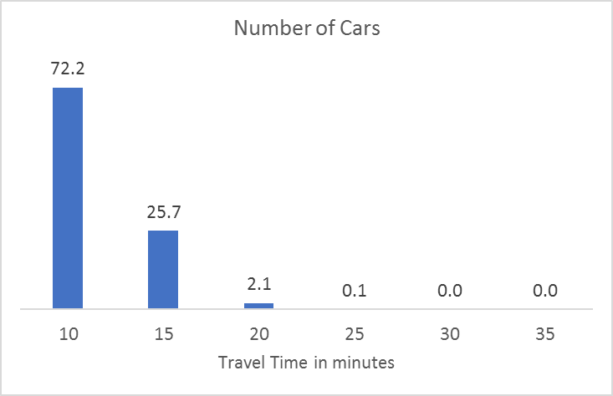
Delays are few in number or very unlikely. More work than not has NO DELAYS. In this case, the probabilities are very low that even one delay will cause an impediment, or that the delays will be minor in delay time.
Commonly seen in self-contained teams doing very known nd repetitive work. Often operations or call center service teams are prime examples. Improving the efficiency of doing the work is the best vecor for improvement. Work on automation and doing work more efficienty.
What won't work: Team is already self-contained and doing work fast. Adding sprints and planning overhead will not generate any return in lower cycle-time.

2. Generating an Weibull/Rayleigh Distribution
Set the inputs values to form right-skewed distribution, something like the plot shown to the right.
Tips:
1. This type of distribution is generally because its MORE likely than not that at least ONE delay will be encountered by every car.
2. There are multiple ways to do this. Try setting all delays to the same probability > 10% and increase them until you start to see skewing occur.
Delete this square to see the solution and discussion below.
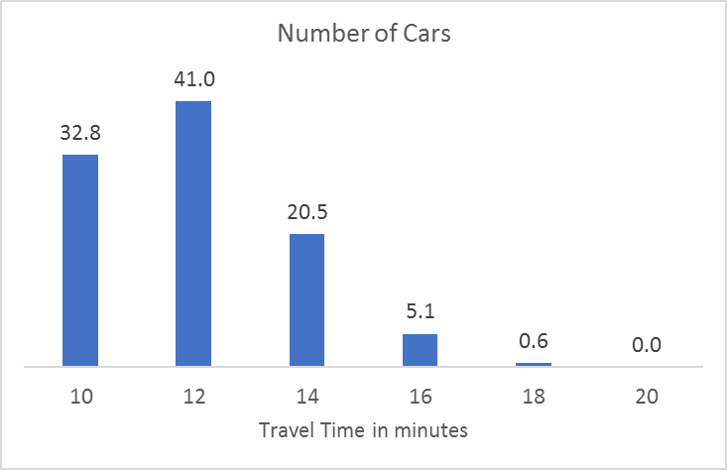
More types of delays with the sum of the probabilities meaning its certain at least one will be encountered by every car/work..
Commonly seen in knowledge work teams building something new, or teams that are dependent on others. Improvement comes by reducing the probability and time of delays. Work on blocker clustering and removal. Reduce dependencies on other teams any way possible.
What won't work: Focusing on how fast team members are doing the work. Cycle time is more dominated by delays, fix those first.

Delete this square to see the solution and discussion below.
No, the final cycle-time is the sum of the delays. Just like 1 + 3 + 5 is identical to 5 + 3 + 1.
In fact, different delays will impact each car or piece of work, so its not important the order or what delays, just that there are delays at all.
3. Does the order of delays impact the distribution?
Set the inputs values and try and get a left-skewed distribution (tail on the left side, peak on the right). Can you do it?

4. Does work time impact distribution shape?
Double the base travel time and halve the delay times. what happens to the distribution shape? Make sure you watch the X-Axis values.
No, the distribution is based on how the delays combine. The length of work alters the scale of the cycle time, not the shape.
Delete this square to see the solution and discussion below.

Hypothesis
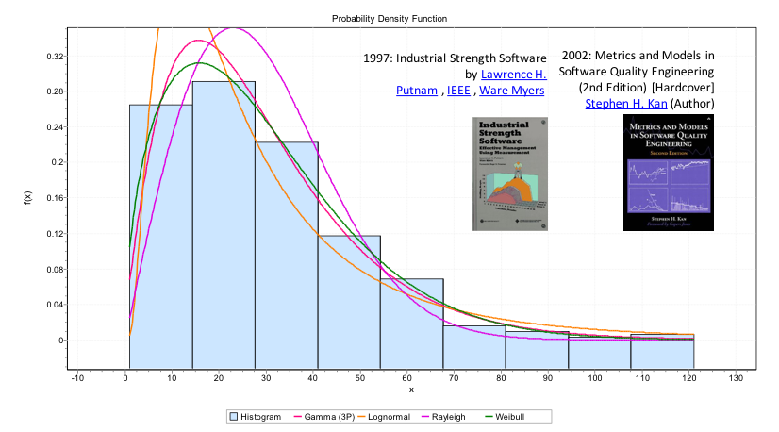
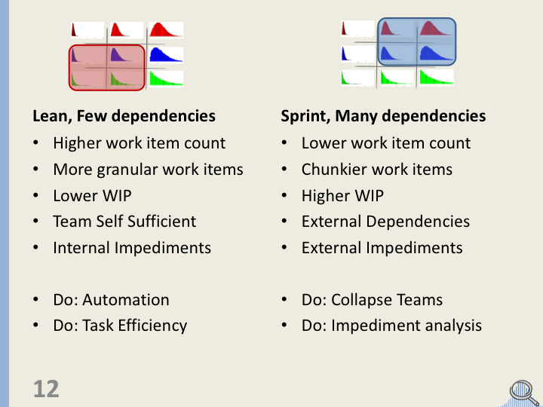
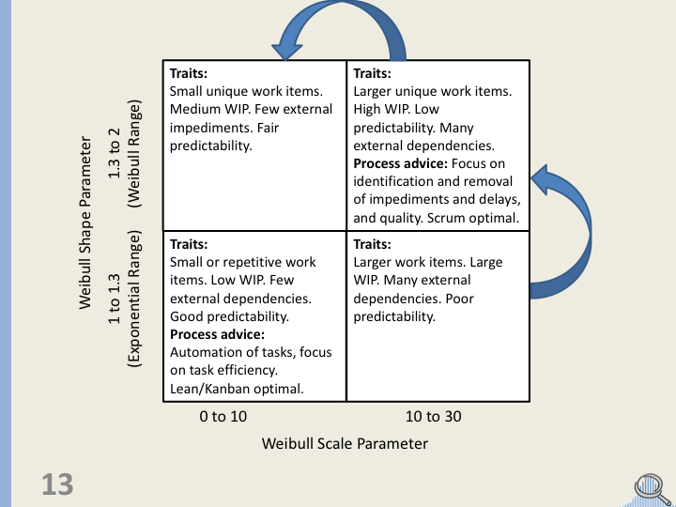

The general distribution shape for cycle time has been reported for many years. I wondered why it was this shape, and what we could learn from it.
I generally observed that almost universally the distribution was right-skewed, and that some teams more than others. Operations teams almost Exponential, Software Development teams more Rayleigh (Exponential and Rayleigh are different types of statistical probability distributions)
It can be observed by plotting different teams cycle-time (time work completed - time work started) that a variety of different distribution shapes form. I set out to understand how each shape formed. This spreadsheet is one tool I used to explore the relationship between delay probability, delay time and number of delays.
Hypothesis 1: The types of delay and their characteristics in a process cause various cycle time distributions to form.
Hypothesis 2: It is possible to identify distinct groups of cycle time distributions. I identify two (with some overlap) groups shown in Red and Blue above.
Hypothesis 3: Different improvement actions will only give measurable improvement in one of the groups, and trying to do otherwise is frustrating and wasteful.
As an aid for teams to self-identify, I attempted to categorize teams based solely on their cycle-time distribution fit to a probability distribution called "Weibull" that has two parameters. Shape and Scale (I have a spreadsheet that does this automatically, see the Cycle Time and Throughput Calculator.xlsx Weibull & graphs page - get it here: https://github.com/FocusedObjective/FocusedObjective.Resources/blob/master/Spreadsheets/Throughput%20and%20Cycle%20Time%20Calculator%20(5000%20samples).xlsx).
Hypothesis 4: The the Weibull distribution shape and scale parameter are enough to correctly categorize a team into one of four quadrants.
Hypothesis 5: It is possible to intentionally move a teams process into another quadrant to achieve maximum improvement.

